Sheet1
Sr. no. | Test Case Id | Test Case Title | Test Data | Expected behavior | Actual behavior | Result
1 | SU-ATC01 | Navigates to the URL | URL: https://magento.softwaretestingboard.com | Should navigate to the actual URL | Navigating to the URL by using '.visit()' method | Passed
2 | SU-ATC02 | Verifies title of the home page | Title: Home Page | Shoud be: Home Page | The actual title is: Home Page | Passed
3 | SU-ATC03 | Verifies the 'Creat an Account' text and clicks on it | Text: Creat an Account, 'href="https://magento.softwaretestingboard.com/customer/account/create/" | Text should be visible and clickable i.e should hav 'href' attribute | Text is visible and clickable. Click action results in navigating to 'Creat an Account' page. | Passed
4 | SU-ATC04 | Verifies the text associated with input textbox field | A Json file is created for the verification of the data | All texts associated with the input textboxes should be visible | All texts are visible | Passed
5 | SU-ATC05 | Completes the account craetion process by typing into the input text boxes and clicking on create an account button | First name, last name, email, password | Should complete the signup process by entering the texts into the input text boxes and clicking on the create an account button | Completes the login | Passed
6 | SU-ATC06 | Verifies the success message and its text color | Success message: "Thank you for registering with Main Website Store." | Success message should be visible, color should be 'rgb(0, 100, 0)' | Success message is visible and text color is 'rgb(0, 100, 0)' | Passed

 |  |  | Screenshot

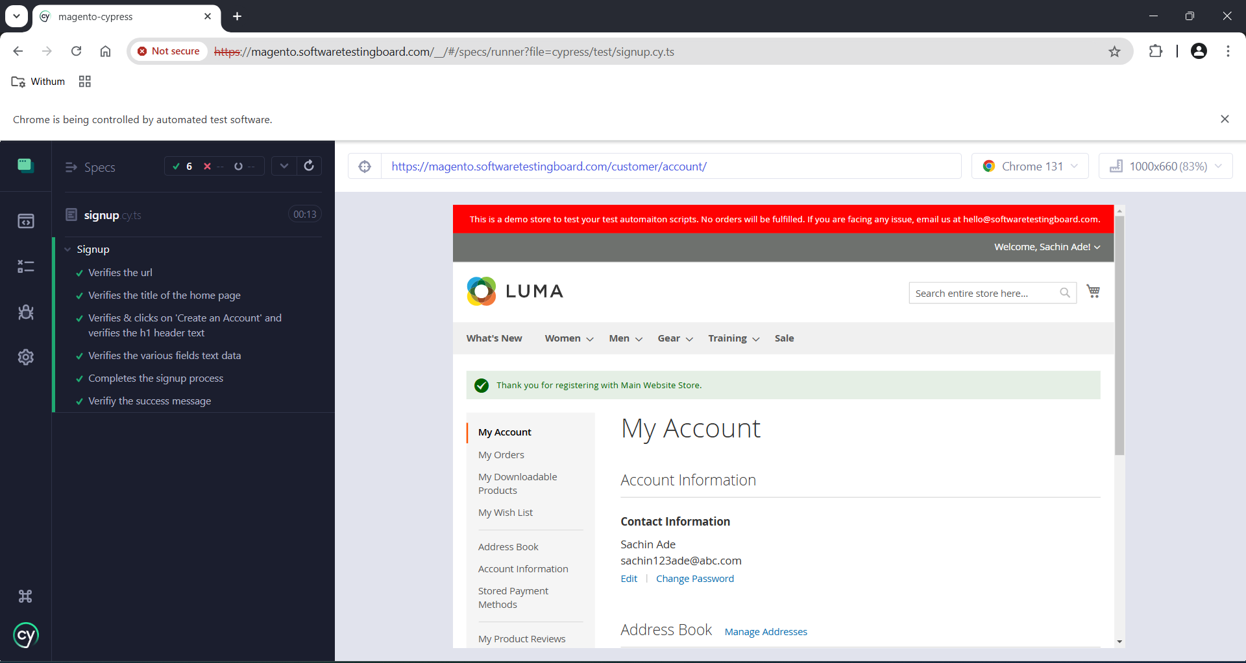

 |  |  | Note: For Test Steps, please go through my Automation Scripts

